DemoClientTransactionHistory
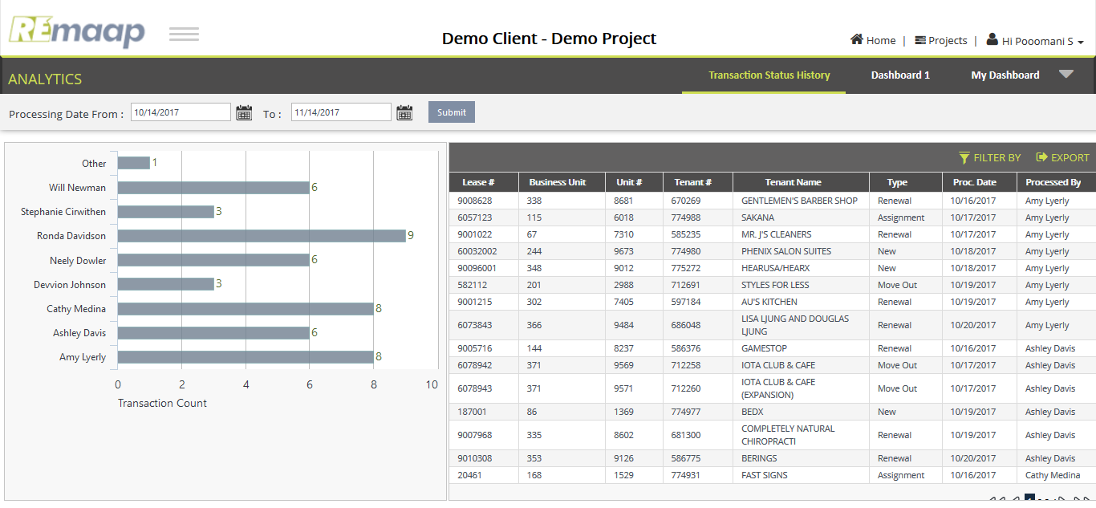
Raw data for Transaction Status History
Lease_Number | Business_Unit | Unit_Number | DBA_Name | Tenant_Number | Tenant_Name | Tenant_Type | Transaction_Type | Processing_Date | User_Name | Review_Completed
20716 | 19 | 1561 | HAKU SUSHI | 598718 | HAKO SUSHI | Renewal | R | 2017-10-19 | Cathy Medina | Yes
60669002 | 124 | 6572 | PACIFIC DENTAL SERVICES | 775289 | PACIFIC DENTAL SERVICES | New | N | 2017-10-18 | Neely Dowler | Yes
9005731 | 144 | 8234 | VISIONSMITH | 589975 | VISIONSMITH | Renewal | R | 2017-10-16 | Ronda Davidson | Yes
6057107 | 115 | 6006 | TOTALLY TAN | 619658 | TOTALLY TAN | Move Out | M | 2017-10-16 | Ronda Davidson | Yes
60918 | 208 | 3313 | EDWARD JONES | 335650 | EDWARD JONES | Renewal | R | 2017-10-16 | Devvion Johnson | Yes
9008628 | 338 | 8681 | GENTLEMEN'S BARBER SHOP | 670269 | GENTLEMEN'S BARBER SHOP | Renewal | R | 2017-10-16 | Amy Lyerly | Yes
9000270 | 62 | 7121 | CCH | 674157 | CCH | Renewal | R | 2017-10-17 | Ronda Davidson | Yes
9001022 | 67 | 7310 | MR. J'S CLEANERS | 585235 | MR. J'S CLEANERS | Renewal | R | 2017-10-17 | Amy Lyerly | Yes
9005716 | 144 | 8237 | GAMESTOP | 586376 | GAMESTOP | Renewal | R | 2017-10-16 | Ashley Davis | Yes
41485 | 183 | 2273 | MIGHTY KHAN'S MONGOLIAN GRILL | 619027 | MIGHTY KHAN'S MONGOLIAN GRILL | Move Out | M | 2017-10-15 | Will Newman | Yes
6002314 | 100 | 4935 | FIREHOUSE SUBS | 753834 | FIREHOUSE SUBS | Move Out | M | 2017-10-16 | Neely Dowler | Yes
90037001 | 312 | 7868 | ELITE NAILS | 774868 | ELITE NAILS | New/Commencement | N | 2017-10-17 | Cathy Medina | Yes
767001 | 238 | 4859 | PIVOT PHYSICAL THERAPY DC | 774874 | PIVOT PHYSICAL THERAPY OF METRO DC | New | N | 2017-10-16 | Cathy Medina | Yes
90097001 | 349 | 9063 | JACKSON HEWITT | 774795 | JACKSON HEWITT | New | N | 2017-10-17 | Cathy Medina | Yes
58275 | 201 | 3007 | JAMBA JUICE (SUB: VITALIGENT) | 602040 | JAMBA JUICE (SUB: VITALIGENT) | Renewal | R | 2017-10-18 | Will Newman | Yes
6078942 | 371 | 9569 | IOTA CLUB & CAFE | 712258 | IOTA CLUB & CAFE | Move Out | M | 2017-10-17 | Ashley Davis | Yes
6078943 | 371 | 9571 | IOTA CLUB & CAFE (EXPANSION) | 712260 | IOTA CLUB & CAFE (EXPANSION) | Move Out | M | 2017-10-17 | Ashley Davis | Yes
9008708 | 339 | 8706 | MYEYEDR | 774882 | MYEYEDR | Assignment | AS | 2017-10-16 | Will Newman | Yes
150002 | 81 | 767 | TAMPA BAY DRY CLEANERS | 774898 | TAMPA BAY DRY CLEANERS | New | N | 2017-10-18 | Ronda Davidson | Yes
9000264 | 62 | 7081 | FAMOUS FOOTWEAR | 631189 | FAMOUS FOOTWEAR | Renewal | R | 2017-10-18 | Will Newman | Yes
60914 | 208 | 3303 | EAGLE POSTAL CENTER | 335646 | EAGLE POSTAL CENTER | Renewal | R | 2017-10-18 | Devvion Johnson | Yes
9005522 | 323 | 8155 | BANK OF AMERICA | 586322 | BANK OF AMERICA | Renewal | R | 2017-10-18 | Neely Dowler | Yes
23524 | 88 | 1834 | INSURANCE AGENCY | 635604 | INSURANCE AGENCY | Renewal | R | 2017-10-18 | Jessica Waggoner | Yes
20461 | 168 | 1529 | FAST SIGNS | 774931 | FAST SIGNS | Assignment | AS | 2017-10-16 | Cathy Medina | Yes
644120 | 34 | 4078 | IN2WISHIN | 602985 | IN2WISHIN | Renewal | R | 2017-10-18 | Cathy Medina | Yes
55631 | 293 | 6773 | FACES365 | 774892 | FACES365 | Assignment/Renewal | AR | 2017-10-18 | Stephanie Cirwithen | Yes
50106 | 192 | 2657 | HALLMARK | 589924 | HALLMARK | Renewal | R | 2017-10-17 | Neely Dowler | Yes
9005725 | 144 | 8246 | FAMOUS FOOTWEAR | 586385 | FAMOUS FOOTWEAR | Renewal | R | 2017-10-17 | Will Newman | Yes
5132 | 77 | 180 | SUBWAY | 569182 | SUBWAY | Renewal | R | 2017-10-18 | Ronda Davidson | Yes
6062267 | 59 | 6264 | CASA MAESTOSO | 774891 | CASA MAESTOSO | Assignment/Renewal | AR | 2017-10-18 | Ronda Davidson | Yes
17601 | 161 | 1202 | PLANNED PARENTHOOD | 606785 | PLANNED PARENTHOOD | Renewal | R | 2017-10-19 | Ronda Davidson | Yes
60673002 | 61 | 6599 | GUSTO FARM TO STREET | 775039 | GUSTO FARM TO STREET | New | N | 2017-10-19 | Ronda Davidson | Yes
187001 | 86 | 1369 | BEDX | 774977 | BEDX | New | N | 2017-10-19 | Ashley Davis | Yes
9007968 | 335 | 8602 | COMPLETELY NATURAL CHIROPRACTI | 681300 | COMPLETELY NATURAL CHIROPRACTI | Renewal | R | 2017-10-19 | Ashley Davis | Yes
9001215 | 302 | 7405 | AU'S KITCHEN | 597184 | AU'S KITCHEN | Renewal | R | 2017-10-19 | Amy Lyerly | Yes
60621001 | 58 | 6242 | CAVA | \N | \N | New | N | 2017-10-19 | Will Newman | Yes
6067305 | 61 | 6583 | ADVANCE AUTO PARTS | 656541 | ADVANCE AUTO PARTS | Renewal | R | 2017-10-19 | Stephanie Cirwithen | Yes
6073843 | 366 | 9484 | LISA LJUNG AND DOUGLAS LJUNG | 686048 | LISA LJUNG AND DOUGLAS LJUNG | Renewal | R | 2017-10-20 | Amy Lyerly | Yes
9010308 | 353 | 9126 | BERINGS | 586775 | BERINGS | Renewal | R | 2017-10-20 | Ashley Davis | Yes
9010310 | 353 | 9128 | BERINGS WAREHOUSE | 586777 | BERINGS WAREHOUSE | Renewal | R | 2017-10-20 | Stephanie Cirwithen | Yes
60750010 | 127 | 9669 | UPSCALE CLEANERS | 775227 | UPSCALE CLEANERS | New | N | 2017-10-17 | Neely Dowler | Yes
64212 | 33 | 3979 | ANIMAL HOSPITAL | 774954 | ANIMAL HOSPITAL | Assignment/Renewal | AR | 2017-10-18 | Cathy Medina | Yes
635002 | 222 | 3860 | ORANGETHEORY FITNESS | 775241 | ORANGETHEORY FITNESS | New | N | 2017-10-19 | Devvion Johnson | Yes
75405 | 236 | 4736 | SUBWAY | 591061 | SUBWAY | Renewal | R | 2017-10-20 | Ronda Davidson | Yes
9003321 | 140 | 7800 | O'REILLY AUTO PARTS | 585788 | O'REILLY AUTO PARTS | Renewal | R | 2017-10-20 | Cathy Medina | Yes
582112 | 201 | 2988 | STYLES FOR LESS | 712691 | STYLES FOR LESS | Move Out | M | 2017-10-19 | Amy Lyerly | Yes
6057123 | 115 | 6018 | SAKANA | 774988 | SAKANA | Assignment | AS | 2017-10-17 | Amy Lyerly | Yes
90096001 | 348 | 9012 | HEARUSA/HEARX | 775272 | HEARUSA/HEARX | New | N | 2017-10-18 | Amy Lyerly | Yes
207001 | 19 | 1559 | CAROLINA BARRE & CORE | 775333 | CAROLINA BARRE & CORE | New | N | 2017-10-20 | Neely Dowler | Yes
60032002 | 244 | 9673 | PHENIX SALON SUITES | 774980 | PHENIX SALON SUITES | New | N | 2017-10-18 | Amy Lyerly | Yes

DemoClientTransactionType
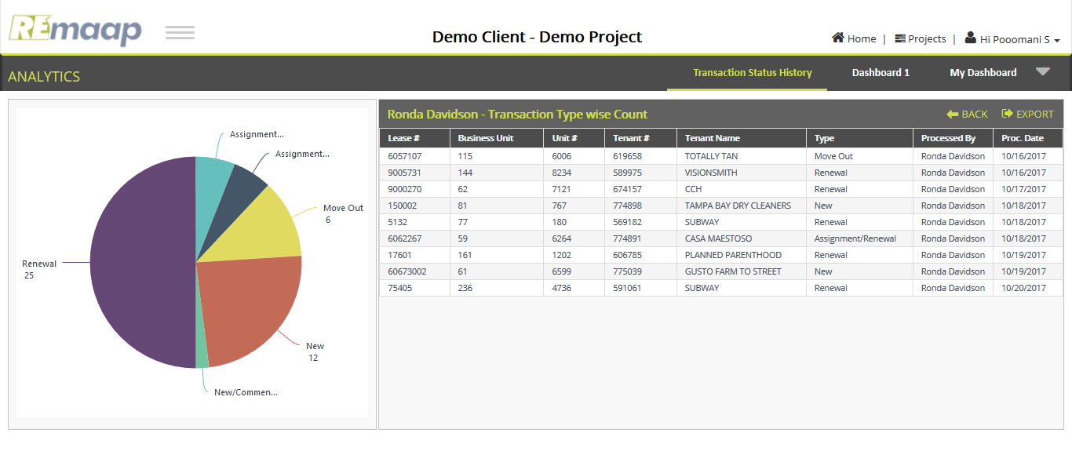
Raw data for Transaction Type Drilldown
Lease_Number | Business_Unit | Unit_Number | DBA_Name | Tenant_Number | Tenant_Name | Tenant_Type | Transaction_Type | Processing_Date | User_Name | Review_Completed
20716 | 19 | 1561 | HAKU SUSHI | 598718 | HAKO SUSHI | Renewal | R | 2017-10-19 | Cathy Medina | Yes
60669002 | 124 | 6572 | PACIFIC DENTAL SERVICES | 775289 | PACIFIC DENTAL SERVICES | New | N | 2017-10-18 | Neely Dowler | Yes
9005731 | 144 | 8234 | VISIONSMITH | 589975 | VISIONSMITH | Renewal | R | 2017-10-16 | Ronda Davidson | Yes
6057107 | 115 | 6006 | TOTALLY TAN | 619658 | TOTALLY TAN | Move Out | M | 2017-10-16 | Ronda Davidson | Yes
60918 | 208 | 3313 | EDWARD JONES | 335650 | EDWARD JONES | Renewal | R | 2017-10-16 | Devvion Johnson | Yes
9008628 | 338 | 8681 | GENTLEMEN'S BARBER SHOP | 670269 | GENTLEMEN'S BARBER SHOP | Renewal | R | 2017-10-16 | Amy Lyerly | Yes
9000270 | 62 | 7121 | CCH | 674157 | CCH | Renewal | R | 2017-10-17 | Ronda Davidson | Yes
9001022 | 67 | 7310 | MR. J'S CLEANERS | 585235 | MR. J'S CLEANERS | Renewal | R | 2017-10-17 | Amy Lyerly | Yes
9005716 | 144 | 8237 | GAMESTOP | 586376 | GAMESTOP | Renewal | R | 2017-10-16 | Ashley Davis | Yes
41485 | 183 | 2273 | MIGHTY KHAN'S MONGOLIAN GRILL | 619027 | MIGHTY KHAN'S MONGOLIAN GRILL | Move Out | M | 2017-10-15 | Will Newman | Yes
6002314 | 100 | 4935 | FIREHOUSE SUBS | 753834 | FIREHOUSE SUBS | Move Out | M | 2017-10-16 | Neely Dowler | Yes
90037001 | 312 | 7868 | ELITE NAILS | 774868 | ELITE NAILS | New/Commencement | N | 2017-10-17 | Cathy Medina | Yes
767001 | 238 | 4859 | PIVOT PHYSICAL THERAPY DC | 774874 | PIVOT PHYSICAL THERAPY OF METRO DC | New | N | 2017-10-16 | Cathy Medina | Yes
90097001 | 349 | 9063 | JACKSON HEWITT | 774795 | JACKSON HEWITT | New | N | 2017-10-17 | Cathy Medina | Yes
58275 | 201 | 3007 | JAMBA JUICE (SUB: VITALIGENT) | 602040 | JAMBA JUICE (SUB: VITALIGENT) | Renewal | R | 2017-10-18 | Will Newman | Yes
6078942 | 371 | 9569 | IOTA CLUB & CAFE | 712258 | IOTA CLUB & CAFE | Move Out | M | 2017-10-17 | Ashley Davis | Yes
6078943 | 371 | 9571 | IOTA CLUB & CAFE (EXPANSION) | 712260 | IOTA CLUB & CAFE (EXPANSION) | Move Out | M | 2017-10-17 | Ashley Davis | Yes
9008708 | 339 | 8706 | MYEYEDR | 774882 | MYEYEDR | Assignment | AS | 2017-10-16 | Will Newman | Yes
150002 | 81 | 767 | TAMPA BAY DRY CLEANERS | 774898 | TAMPA BAY DRY CLEANERS | New | N | 2017-10-18 | Ronda Davidson | Yes
9000264 | 62 | 7081 | FAMOUS FOOTWEAR | 631189 | FAMOUS FOOTWEAR | Renewal | R | 2017-10-18 | Will Newman | Yes
60914 | 208 | 3303 | EAGLE POSTAL CENTER | 335646 | EAGLE POSTAL CENTER | Renewal | R | 2017-10-18 | Devvion Johnson | Yes
9005522 | 323 | 8155 | BANK OF AMERICA | 586322 | BANK OF AMERICA | Renewal | R | 2017-10-18 | Neely Dowler | Yes
23524 | 88 | 1834 | INSURANCE AGENCY | 635604 | INSURANCE AGENCY | Renewal | R | 2017-10-18 | Jessica Waggoner | Yes
20461 | 168 | 1529 | FAST SIGNS | 774931 | FAST SIGNS | Assignment | AS | 2017-10-16 | Cathy Medina | Yes
644120 | 34 | 4078 | IN2WISHIN | 602985 | IN2WISHIN | Renewal | R | 2017-10-18 | Cathy Medina | Yes
55631 | 293 | 6773 | FACES365 | 774892 | FACES365 | Assignment/Renewal | AR | 2017-10-18 | Stephanie Cirwithen | Yes
50106 | 192 | 2657 | HALLMARK | 589924 | HALLMARK | Renewal | R | 2017-10-17 | Neely Dowler | Yes
9005725 | 144 | 8246 | FAMOUS FOOTWEAR | 586385 | FAMOUS FOOTWEAR | Renewal | R | 2017-10-17 | Will Newman | Yes
5132 | 77 | 180 | SUBWAY | 569182 | SUBWAY | Renewal | R | 2017-10-18 | Ronda Davidson | Yes
6062267 | 59 | 6264 | CASA MAESTOSO | 774891 | CASA MAESTOSO | Assignment/Renewal | AR | 2017-10-18 | Ronda Davidson | Yes
17601 | 161 | 1202 | PLANNED PARENTHOOD | 606785 | PLANNED PARENTHOOD | Renewal | R | 2017-10-19 | Ronda Davidson | Yes
60673002 | 61 | 6599 | GUSTO FARM TO STREET | 775039 | GUSTO FARM TO STREET | New | N | 2017-10-19 | Ronda Davidson | Yes
187001 | 86 | 1369 | BEDX | 774977 | BEDX | New | N | 2017-10-19 | Ashley Davis | Yes
9007968 | 335 | 8602 | COMPLETELY NATURAL CHIROPRACTI | 681300 | COMPLETELY NATURAL CHIROPRACTI | Renewal | R | 2017-10-19 | Ashley Davis | Yes
9001215 | 302 | 7405 | AU'S KITCHEN | 597184 | AU'S KITCHEN | Renewal | R | 2017-10-19 | Amy Lyerly | Yes
60621001 | 58 | 6242 | CAVA | \N | \N | New | N | 2017-10-19 | Will Newman | Yes
6067305 | 61 | 6583 | ADVANCE AUTO PARTS | 656541 | ADVANCE AUTO PARTS | Renewal | R | 2017-10-19 | Stephanie Cirwithen | Yes
6073843 | 366 | 9484 | LISA LJUNG AND DOUGLAS LJUNG | 686048 | LISA LJUNG AND DOUGLAS LJUNG | Renewal | R | 2017-10-20 | Amy Lyerly | Yes
9010308 | 353 | 9126 | BERINGS | 586775 | BERINGS | Renewal | R | 2017-10-20 | Ashley Davis | Yes
9010310 | 353 | 9128 | BERINGS WAREHOUSE | 586777 | BERINGS WAREHOUSE | Renewal | R | 2017-10-20 | Stephanie Cirwithen | Yes
60750010 | 127 | 9669 | UPSCALE CLEANERS | 775227 | UPSCALE CLEANERS | New | N | 2017-10-17 | Neely Dowler | Yes
64212 | 33 | 3979 | ANIMAL HOSPITAL | 774954 | ANIMAL HOSPITAL | Assignment/Renewal | AR | 2017-10-18 | Cathy Medina | Yes
635002 | 222 | 3860 | ORANGETHEORY FITNESS | 775241 | ORANGETHEORY FITNESS | New | N | 2017-10-19 | Devvion Johnson | Yes
75405 | 236 | 4736 | SUBWAY | 591061 | SUBWAY | Renewal | R | 2017-10-20 | Ronda Davidson | Yes
9003321 | 140 | 7800 | O'REILLY AUTO PARTS | 585788 | O'REILLY AUTO PARTS | Renewal | R | 2017-10-20 | Cathy Medina | Yes
582112 | 201 | 2988 | STYLES FOR LESS | 712691 | STYLES FOR LESS | Move Out | M | 2017-10-19 | Amy Lyerly | Yes
6057123 | 115 | 6018 | SAKANA | 774988 | SAKANA | Assignment | AS | 2017-10-17 | Amy Lyerly | Yes
90096001 | 348 | 9012 | HEARUSA/HEARX | 775272 | HEARUSA/HEARX | New | N | 2017-10-18 | Amy Lyerly | Yes
207001 | 19 | 1559 | CAROLINA BARRE & CORE | 775333 | CAROLINA BARRE & CORE | New | N | 2017-10-20 | Neely Dowler | Yes
60032002 | 244 | 9673 | PHENIX SALON SUITES | 774980 | PHENIX SALON SUITES | New | N | 2017-10-18 | Amy Lyerly | Yes

DemoClientTenant
Raw data for Tenant Drilldown
DBA_Name | Tenant_Type | COUNT | User_Name
ADVANCE AUTO PARTS | Renewal | 1 | Stephanie Cirwithen
ANIMAL HOSPITAL | Assignment/Renewal | 1 | Cathy Medina
AU'S KITCHEN | Renewal | 1 | Amy Lyerly | Note: The raw data for bottom grid to be referred from "DemoClientTransactionHistory" sheet.
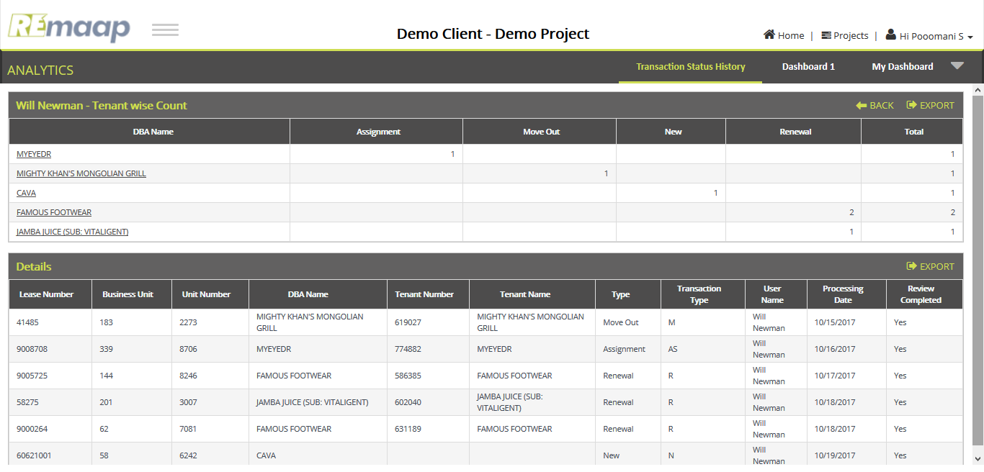
BANK OF AMERICA | Renewal | 1 | Neely Dowler
BEDX | New | 1 | Ashley Davis
BERINGS | Renewal | 1 | Ashley Davis
BERINGS WAREHOUSE | Renewal | 1 | Stephanie Cirwithen
CAROLINA BARRE & CORE | New | 1 | Neely Dowler
CASA MAESTOSO | Assignment/Renewal | 1 | Ronda Davidson
CAVA | New | 1 | Will Newman
CCH | Renewal | 1 | Ronda Davidson
COMPLETELY NATURAL CHIROPRACTI | Renewal | 1 | Ashley Davis
EAGLE POSTAL CENTER | Renewal | 1 | Devvion Johnson
EDWARD JONES | Renewal | 1 | Devvion Johnson
ELITE NAILS | New/Commencement | 1 | Cathy Medina
FACES365 | Assignment/Renewal | 1 | Stephanie Cirwithen
FAMOUS FOOTWEAR | Renewal | 2 | Will Newman
FAST SIGNS | Assignment | 1 | Cathy Medina
FIREHOUSE SUBS | Move Out | 1 | Neely Dowler
GAMESTOP | Renewal | 1 | Ashley Davis
GENTLEMEN'S BARBER SHOP | Renewal | 1 | Amy Lyerly
GUSTO FARM TO STREET | New | 1 | Ronda Davidson
HAKU SUSHI | Renewal | 1 | Cathy Medina
HALLMARK | Renewal | 1 | Neely Dowler
HEARUSA/HEARX | New | 1 | Amy Lyerly
IN2WISHIN | Renewal | 1 | Cathy Medina
INSURANCE AGENCY | Renewal | 1 | Jessica Waggoner
IOTA CLUB & CAFE | Move Out | 1 | Ashley Davis
IOTA CLUB & CAFE (EXPANSION) | Move Out | 1 | Ashley Davis
JACKSON HEWITT | New | 1 | Cathy Medina
JAMBA JUICE (SUB: VITALIGENT) | Renewal | 1 | Will Newman
LISA LJUNG AND DOUGLAS LJUNG | Renewal | 1 | Amy Lyerly
MIGHTY KHAN'S MONGOLIAN GRILL | Move Out | 1 | Will Newman
MR. J'S CLEANERS | Renewal | 1 | Amy Lyerly
MYEYEDR | Assignment | 1 | Will Newman
O'REILLY AUTO PARTS | Renewal | 1 | Cathy Medina
ORANGETHEORY FITNESS | New | 1 | Devvion Johnson
PACIFIC DENTAL SERVICES | New | 1 | Neely Dowler
PHENIX SALON SUITES | New | 1 | Amy Lyerly
PIVOT PHYSICAL THERAPY DC | New | 1 | Cathy Medina
PLANNED PARENTHOOD | Renewal | 1 | Ronda Davidson
SAKANA | Assignment | 1 | Amy Lyerly
STYLES FOR LESS | Move Out | 1 | Amy Lyerly
SUBWAY | Renewal | 2 | Ronda Davidson
TAMPA BAY DRY CLEANERS | New | 1 | Ronda Davidson
TOTALLY TAN | Move Out | 1 | Ronda Davidson
UPSCALE CLEANERS | New | 1 | Neely Dowler
VISIONSMITH | Renewal | 1 | Ronda Davidson

